Sheet1
Defect # | Related Module | Defect Description | Defect type(UI/Data/Securityholders/Configuration/Other) | Priority | Requirements | ETC
 |  |  |  | ( Critical:P1, High: P2,Low:P3)
3 | Talent | The Description box in the Request a new Requisition Form, has not header and is not required. This needs a Header and needs to be required. Further why can this not auto populate from the position? Form 1 : Navigation Recruiter > Requisitions > Click on Ellipsses (3 dots) > Create Requisition > Description field in JobRequisitionInformation form Form 2 : Navigation Manager > Acquire Talent > Create Requisition > Description fielf in JobRequisitionInformation form | Config Console change | P2 | 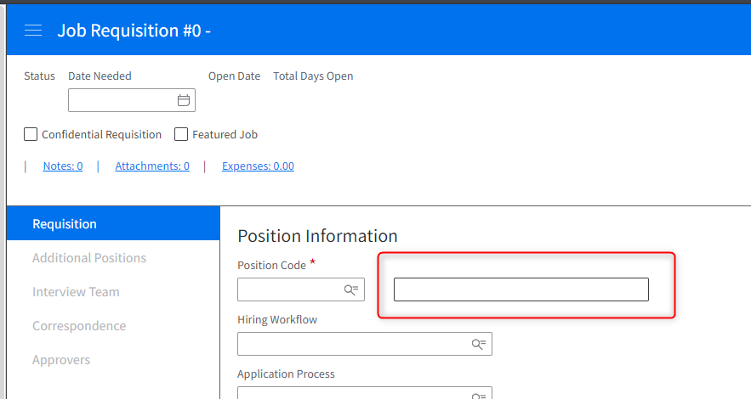 Add label to the Description field. JobRequisition.Description | 2023-01-20
7 | Talent | Job Boards - Images are only showing up on the Profiles Tab? How do we get images and Welcome messages to show up on the Home Screen? | Config Console change | P2 | BAM wants to adjust the sizes of the widgets and add the logos of all BAM groups/entities to all external candidate spaces. It would be better to consult to Alan for the exact requirements. AWBC: https://css-ywq5fbauq7dyadnt-prd.inforcloudsuite.com/hcm/Jobs/page/JobsHomePage?csk.JobBoard=AWBC%20EXTERNAL&csk.HROrganization=1 2NC: https://css-ywq5fbauq7dyadnt-prd.inforcloudsuite.com/hcm/Jobs/page/JobsHomePage?csk.JobBoard=2NC%20EXTERNAL&csk.HROrganization=1 BAM STORE: https://css-ywq5fbauq7dyadnt-prd.inforcloudsuite.com/hcm/Jobs/page/JobsHomePage?csk.JobBoard=BAM%20STORE%20EXTERNAL&csk.HROrganization=1 CORP: https://css-ywq5fbauq7dyadnt-prd.inforcloudsuite.com/hcm/Jobs/page/JobsHomePage?csk.JobBoard=CORP%20EXTERNAL&csk.HROrganization=1 YOMO: https://css-ywq5fbauq7dyadnt-prd.inforcloudsuite.com/hcm/Jobs/page/JobsHomePage?csk.JobBoard=YOMO%20EXTERNAL&csk.HROrganization=1
8 | Talent | Job Boards - Is it possible to add links to other External Boards at the top of the boards/candidate space? | Config Console change | P3 | BAM wants to add links outside of the widgets for all groups/entities to all external candidate spaces. It would be better to consult to Alan for the exact requirements. AWBC: https://css-ywq5fbauq7dyadnt-prd.inforcloudsuite.com/hcm/Jobs/page/JobsHomePage?csk.JobBoard=AWBC%20EXTERNAL&csk.HROrganization=1 2NC: https://css-ywq5fbauq7dyadnt-prd.inforcloudsuite.com/hcm/Jobs/page/JobsHomePage?csk.JobBoard=2NC%20EXTERNAL&csk.HROrganization=1 BAM STORE: https://css-ywq5fbauq7dyadnt-prd.inforcloudsuite.com/hcm/Jobs/page/JobsHomePage?csk.JobBoard=BAM%20STORE%20EXTERNAL&csk.HROrganization=1 CORP: https://css-ywq5fbauq7dyadnt-prd.inforcloudsuite.com/hcm/Jobs/page/JobsHomePage?csk.JobBoard=CORP%20EXTERNAL&csk.HROrganization=1 YOMO: https://css-ywq5fbauq7dyadnt-prd.inforcloudsuite.com/hcm/Jobs/page/JobsHomePage?csk.JobBoard=YOMO%20EXTERNAL&csk.HROrganization=1
10 | Talent | Hiring Form - We need all required fields for processing indicated | Config Console change | P1 | Please refer to document sent by Roxanne. BAM - TA Forms and Required Fields. Tabs: TA Hire, TA Rehire, TA Transfer, TA Promote
14 | Talent | Creating Requisition needs to have required field marked with * - also the save as a draft - does not save as a draft unless you have completed the entire form Form is : JobRequisitionInformation | RICE | P2 | Please refer to document sent by Roxanne. BAM - TA Forms and Required Fields. Tab: JobRequisition | 2023-01-20

